Employee_Sales_Summary_2008R2
 |  | Employee_Sales_Summary_2008R2

 |  | Sales Report for David Campbell November, 2007

Click + to view the scenario story.

Compare seasonal sales by year.
 |  |  | Compare sales to quotas by category.

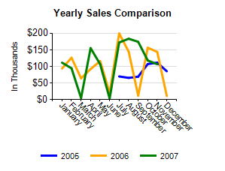
 |  |  |  |  | Sales Order Number | Sales | Met Category Quota?
 |  |  | Met Quota?

 |  |  |  |  | SO57044 | $216
 |  |  |  |  | SO57170 | $1,017
 |  |  |  |  | SO57044 | $541
 |  |  |  |  | SO57170 | $1,880
 |  |  | Total |  | $106,380 | $106,380

 | Compare seasonal sales for November for each category.

 | 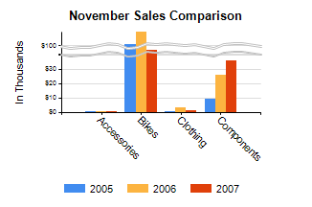
 |  |  | Category | November Sales Comparison for each Year
 |  |  | Accessories
 |  |  | Bikes
 |  |  | Clothing
 |  |  | Components

